VOTF_Timing
SP5 Dynamic Analysis - CPU/VDDIO |  | V 0.2 |  |  |  |  |  |  | Report Revision |  | EVT
Project | Genoa/Turin |  |  |  |  |  |  |  | Test Date |  | 2024-03-25 | IRM Info |  |  |  |  |  | Data please fill in in the cell with light bule color
Worksheet | 0 |  | Batch File | 0 |  |  |  |  |  |  |  | Rail CPU | SP5-E | TDC of CPU (A) | 175 | EDC of CPU (A) | 230
CPU TYPE | SP5-E |  | MP_Margin (mV) | 0 | mV |  |  |  |  |  |  | Rail VDDIO | SP5-E | TDC of VDDIO (A) | 120 | EDC of VDDIO (A) | 140
 |  |  |  | 0mV is base line for Voltage Supply Tolerances |  |  |  |  |  |  |  |  |  |  |  |  |  |  |  |  |  | Example of measurre point of VOTF
 |  |  |  |  |  |  |  |  |  |  |  |  |  |  |  |  |  |  |  |  |  | 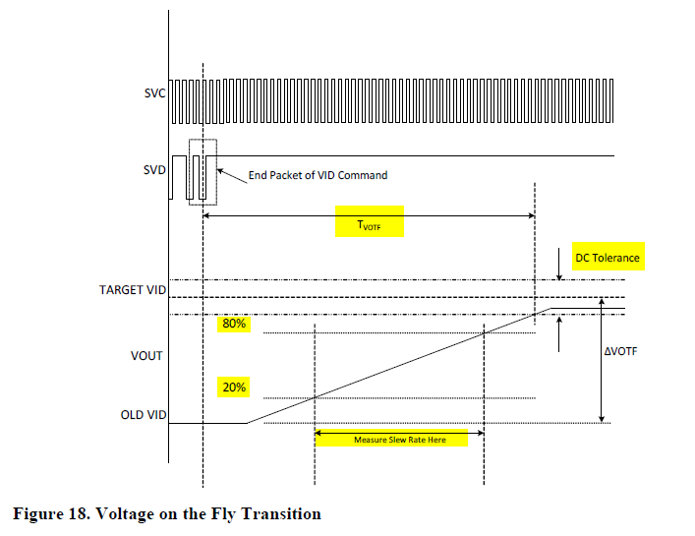

Test Case | VDDCR_CPU1 Test Case Pattern @ 2.5mV/us |  |  |  |  |  |  |  |  |  |  |  | Measurement Result
 | PSI Mode | IDD Set (A) | OLD VID (mV) | TARGET VID (mV) | Slew Rate Set (mV/us) | 20% of VID Transition (mV) | 80% of VID Transition (mV) | TARGET VID DC Min(mV) | TARGET VID DC Max(mV) | Measure 20% VID UP (mV) | Measure 80% VID UP (mV) | Change in Time (us) | Measured Slew Rate (mV/us) | Slew Rate Status | VOTF Time (us) | VOTF Time Pass/Fail | Ring Down | Vmax@VOTFC(mV) | Vmin@VOTFC(mV) | DC Tolerance Pass/Fail
1 | 7 | 0.00 | 550.00 | 900.00 | 2.5 | 0.00 | 0.00 | -20.00 | 20.00 | 0 | 0 | 0 | #DIV/0! | #DIV/0! | 0.00 | FAIL | 0 | 0 | 0 | PASS
2 | 7 |  | 900.00 | 1300.00 | 2.5 | 0.00 | 0.00 | -20.00 | 20.00 | 0 | 0 | 0 | #DIV/0! | #DIV/0! | 0.00 | FAIL | 0 | 0 | 0 | PASS
3 | 7 |  | 900.00 | 1500.00 | 2.5 | 0.00 | 0.00 | -20.00 | 20.00 | 0 | 0 | 0 | #DIV/0! | #DIV/0! | 0.00 | FAIL | 0 | 0 | 0 | PASS
4 | 7 | 87.50 | 550.00 | 900.00 | 2.5 | 0.00 | 0.00 | -20.00 | 20.00 | 0 | 0 | 0 | #DIV/0! | #DIV/0! | 0.00 | FAIL | 0 | 0 | 0 | PASS
5 | 7 |  | 900.00 | 1300.00 | 2.5 | 0.00 | 0.00 | -20.00 | 20.00 | 0 | 0 | 0 | #DIV/0! | #DIV/0! | 0.00 | FAIL | 0 | 0 | 0 | PASS
6 | 7 |  | 900.00 | 1500.00 | 2.5 | 0.00 | 0.00 | -20.00 | 20.00 | 0 | 0 | 0 | #DIV/0! | #DIV/0! | 0.00 | FAIL | 0 | 0 | 0 | PASS
7 | 7 | 175.00 | 550.00 | 900.00 | 2.5 | 0.00 | 0.00 | -20.00 | 20.00 | 0 | 0 | 0 | #DIV/0! | #DIV/0! | 0.00 | FAIL | 0 | 0 | 0 | PASS
8 | 7 |  | 900.00 | 1300.00 | 2.5 | 0.00 | 0.00 | -20.00 | 20.00 | 0 | 0 | 0 | #DIV/0! | #DIV/0! | 0.00 | FAIL | 0 | 0 | 0 | PASS
9 | 7 |  | 900.00 | 1500.00 | 2.5 | 0.00 | 0.00 | -20.00 | 20.00 | 0 | 0 | 0 | #DIV/0! | #DIV/0! | 0.00 | FAIL | 0 | 0 | 0 | PASS
SPEC Calibration
VID (mV) | Vout measured (mV) from scope | IDD (A) | Vout measured (mV) from scope | IDD (A) | Real loadline(mΩ) on the MB | Vout measured (mV) from scope | IDD (A) | Real loadline(mΩ) on the MB
550.00 | 0.550 | 0.00 | 0.512 | 87.50 | 0.000 | 0.475 | 175.00 | 0.000
900.00 | 0.899 |  | 0.861 |  | 0.000 | 0.822 |  | 0.000
1300.00 | 1.299 |  | 1.260 |  | 0.000 | 1.223 |  | 0.000
1500.00 | 1.497 |  | 1.461 |  | 0.000 | 1.421 |  | 0.000
Test Case | VDDIO Test Case Pattern @ 2.5mV/us |  |  |  |  |  |  |  |  |  |  |  | Measurement Result
 | PSI Mode | IDD Set (A) | OLD VID (mV) | TARGET VID (mV) | Slew Rate Set (mV/us) | 20% of VID Transition (mV) | 80% of VID Transition (mV) | TARGET VID DC Min(mV) | TARGET VID DC Max(mV) | Measure 20% VID UP (mV) | Measure 80% VID UP (mV) | Change in Time (us) | Measured Slew Rate (mV/us) | Slew Rate Status | VOTF Time (us) | VOTF Time Pass/Fail | Ring Down | Vmax@VOTFC(mV) | Vmin@VOTFC(mV) | DC Tolerance Pass/Fail
1 | 7 | 0.00 | 900.00 | 1200.00 | 2.5 | 0.00 | 0.00 | -20.00 | 20.00 | 0 | 0 | 0 | #DIV/0! | #DIV/0! | 0.00 | FAIL | 0 | 0 | 0 | PASS
2 | 7 | 120.00 | 900.00 | 1200.00 | 2.5 | 0.00 | 0.00 | -20.00 | 20.00 | 0 | 0 | 0 | #DIV/0! | #DIV/0! | 0.00 | FAIL | 0 | 0 | 0 | PASS
SPEC Calibration
VID (mV) | Vout measured (mV) from scope | IDD (A) | Vout measured (mV) from scope | IDD (A)
900.00 | 0 | 0.00 | 0 | 120.00
1200.00 | 0 |  | 0

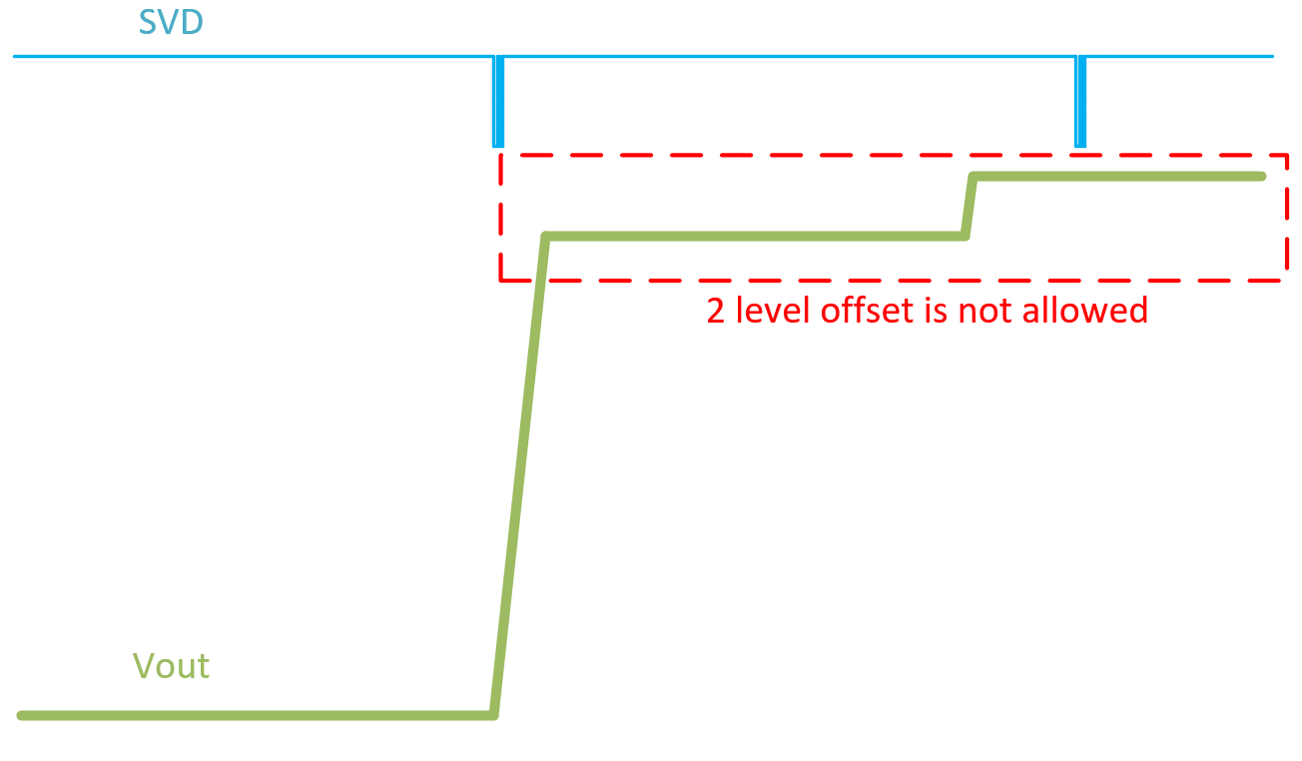
CPU Case |  |  |  |  | 0 / 0 mV | VOTFC Time Caputre |  |  |  |  |  | Vmin@VOTF Capture |  |  |  |  |  | VOTF Down Slop Capture |  |  | DC level check Time Scale: 1ms/div at least |  | Example of DC level check
1 | 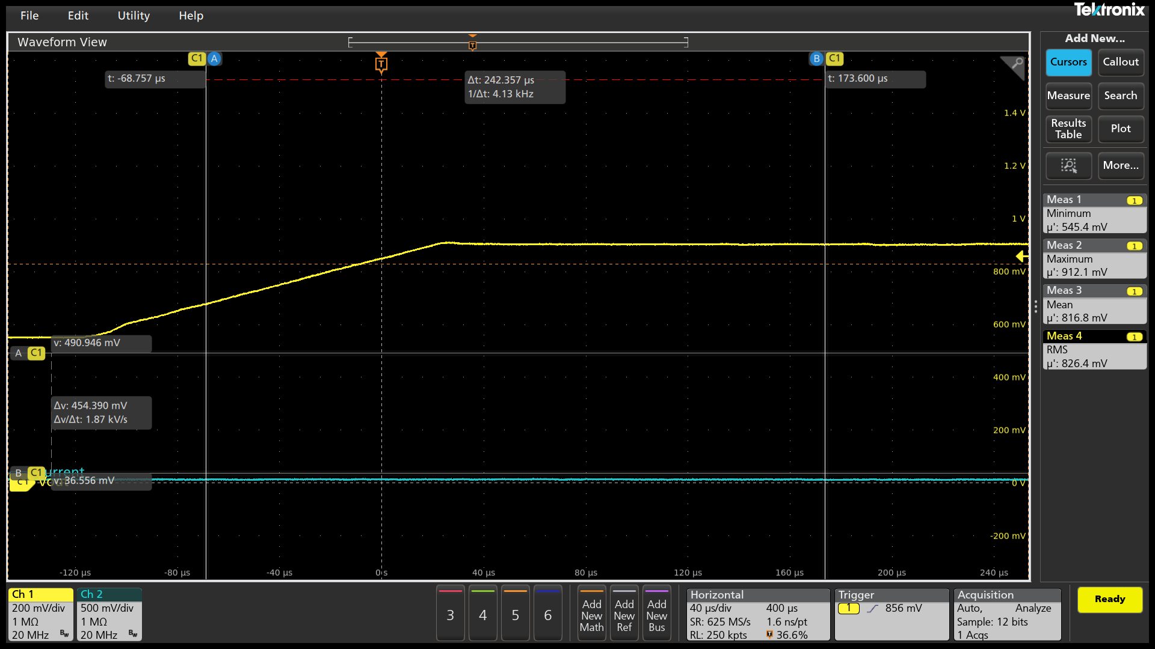

2.5mV/us
PSI7 0A
550mV->900mV

Slew Rate (mV/us)

#DIV/0!
#DIV/0!
Measure 20% VID UP (mV)

Measure 80% VID UP (mV)

Change in Time
(us)

VOTF Time (us)
FAIL

Ring Down

Vmin@VOTF (mV)

Vmax@VOTF (mV)

PASS
 | Slew Rate Caputre |  |  |  | 0 / 0 mV | VOTFC Time Caputre |  |  |  |  |  | Vmin@VOTF Capture |  |  |  |  |  | VOTF Down Slop Capture
2 | 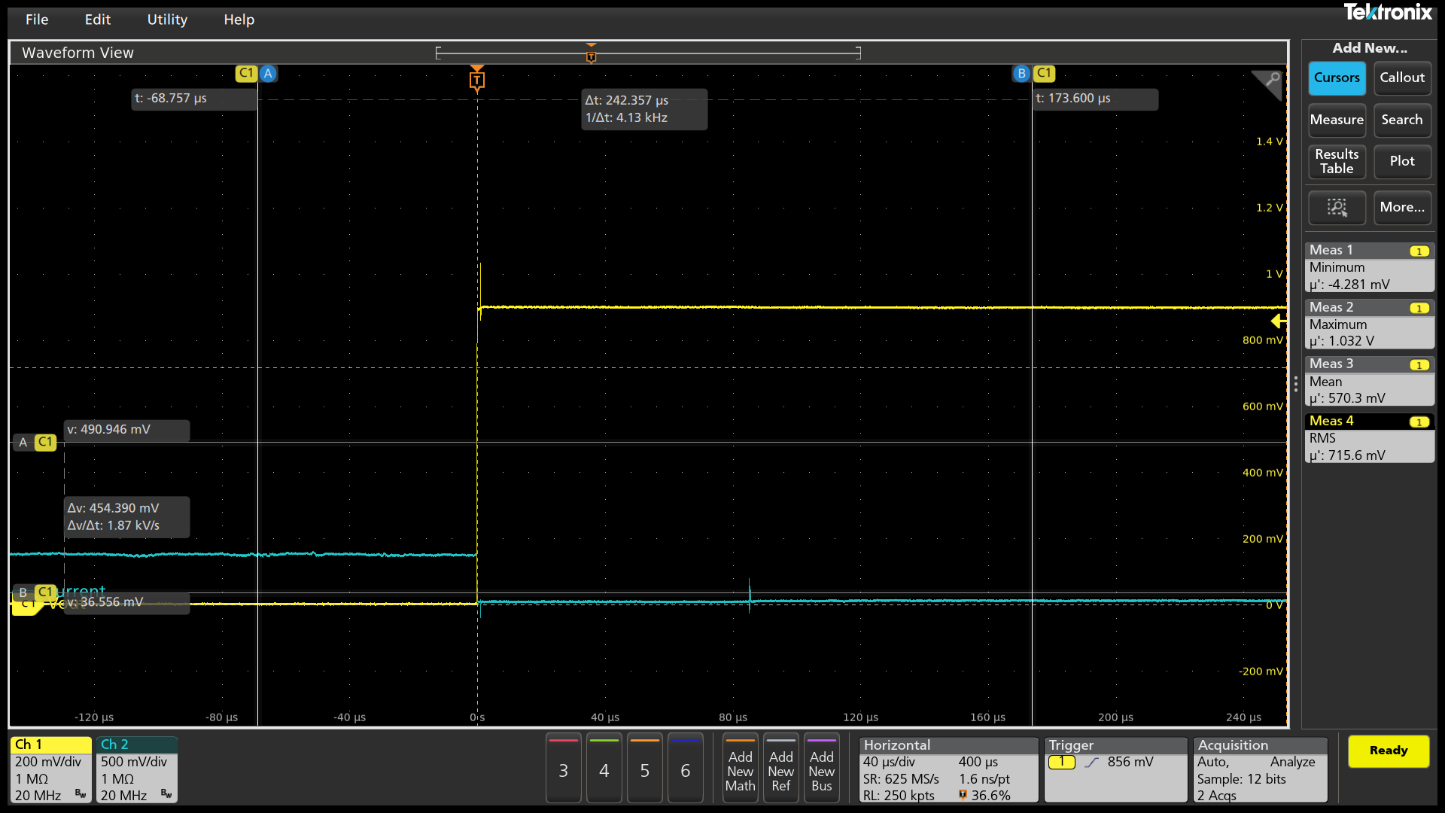

2.5mV/us
PSI7 0A
900mV->1300mV

Slew Rate (mV/us)

#DIV/0!
#DIV/0!
Measure 20% VID UP (mV)

Measure 80% VID UP (mV)

Change in Time
(us)

VOTF Time (us)
FAIL

Ring Down

Vmin@VOTF (mV)

Vmax@VOTF (mV)

PASS
 | Slew Rate Caputre |  |  |  | 0 / 0 mV | VOTFC Time Caputre |  |  |  |  |  | Vmin@VOTF Capture |  |  |  |  |  | VOTF Down Slop Capture
3 | 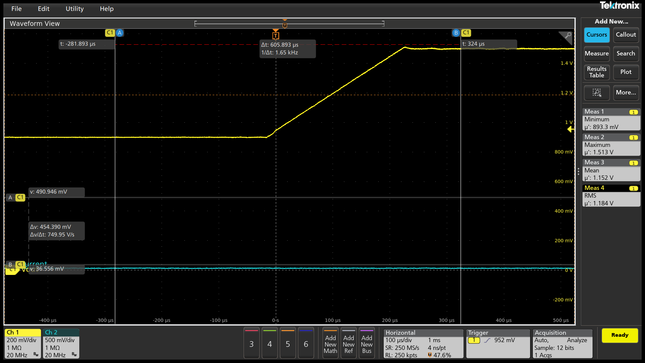

2.5mV/us
PSI7 0A
900mV->1500mV

Slew Rate (mV/us)

#DIV/0!
#DIV/0!
Measure 20% VID UP (mV)

Measure 80% VID UP (mV)

Change in Time
(us)

VOTF Time (us)
FAIL

Ring Down

Vmin@VOTF (mV)

Vmax@VOTF (mV)

PASS
 | Slew Rate Caputre |  |  |  | 0 / 0 mV | VOTFC Time Caputre |  |  |  |  |  | Vmin@VOTF Capture |  |  |  |  |  | VOTF Down Slop Capture
4 | 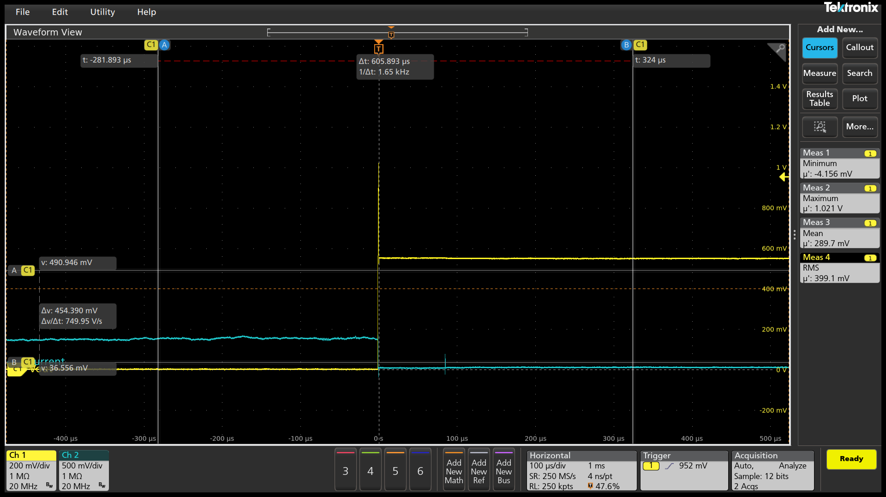

2.5mV/us
PSI7 87.5A
550mV->900mV

Slew Rate (mV/us)

#DIV/0!
#DIV/0!
Measure 20% VID UP (mV)

Measure 80% VID UP (mV)

Change in Time
(us)

VOTF Time (us)
FAIL

Ring Down

Vmin@VOTF (mV)

Vmax@VOTF (mV)

PASS
 | Slew Rate Caputre |  |  |  | 0 / 0 mV | VOTFC Time Caputre |  |  |  |  |  | Vmin@VOTF Capture |  |  |  |  |  | VOTF Down Slop Capture
5 | 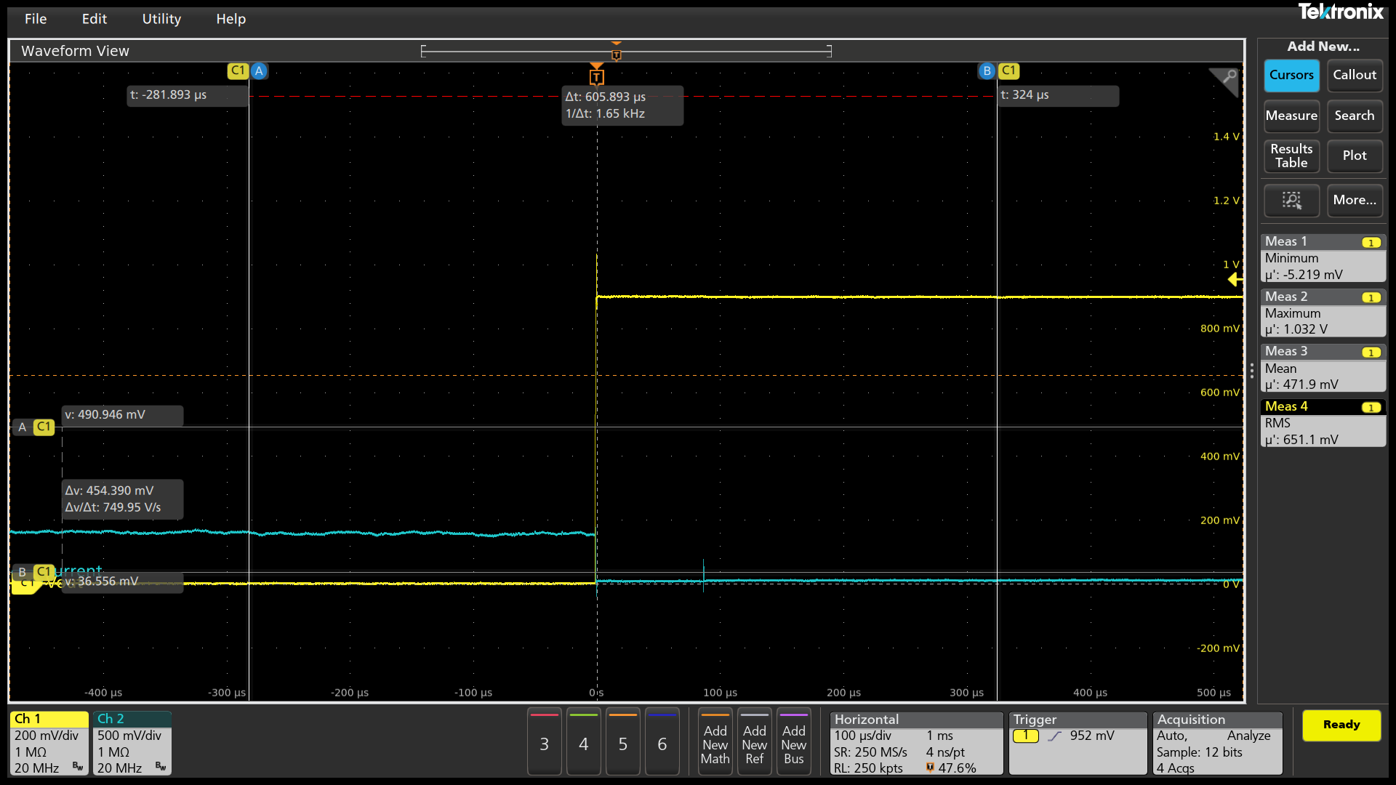

2.5mV/us
PSI7 87.5A
900mV->1300mV

Slew Rate (mV/us)

#DIV/0!
#DIV/0!
Measure 20% VID UP (mV)

Measure 80% VID UP (mV)

Change in Time
(us)

VOTF Time (us)
FAIL

Ring Down

Vmin@VOTF (mV)

Vmax@VOTF (mV)

PASS
 | Slew Rate Caputre |  |  |  | 0 / 0 mV | VOTFC Time Caputre |  |  |  |  |  | Vmin@VOTF Capture |  |  |  |  |  | VOTF Down Slop Capture
6 | 

2.5mV/us
PSI7 87.5A
900mV->1500mV

Slew Rate (mV/us)

#DIV/0!
#DIV/0!
Measure 20% VID UP (mV)

Measure 80% VID UP (mV)

Change in Time
(us)

VOTF Time (us)
FAIL

Ring Down

Vmin@VOTF (mV)

Vmax@VOTF (mV)

PASS
 | Slew Rate Caputre |  |  |  | 0 / 0 mV | VOTFC Time Caputre |  |  |  |  |  | Vmin@VOTF Capture |  |  |  |  |  | VOTF Down Slop Capture
7 | 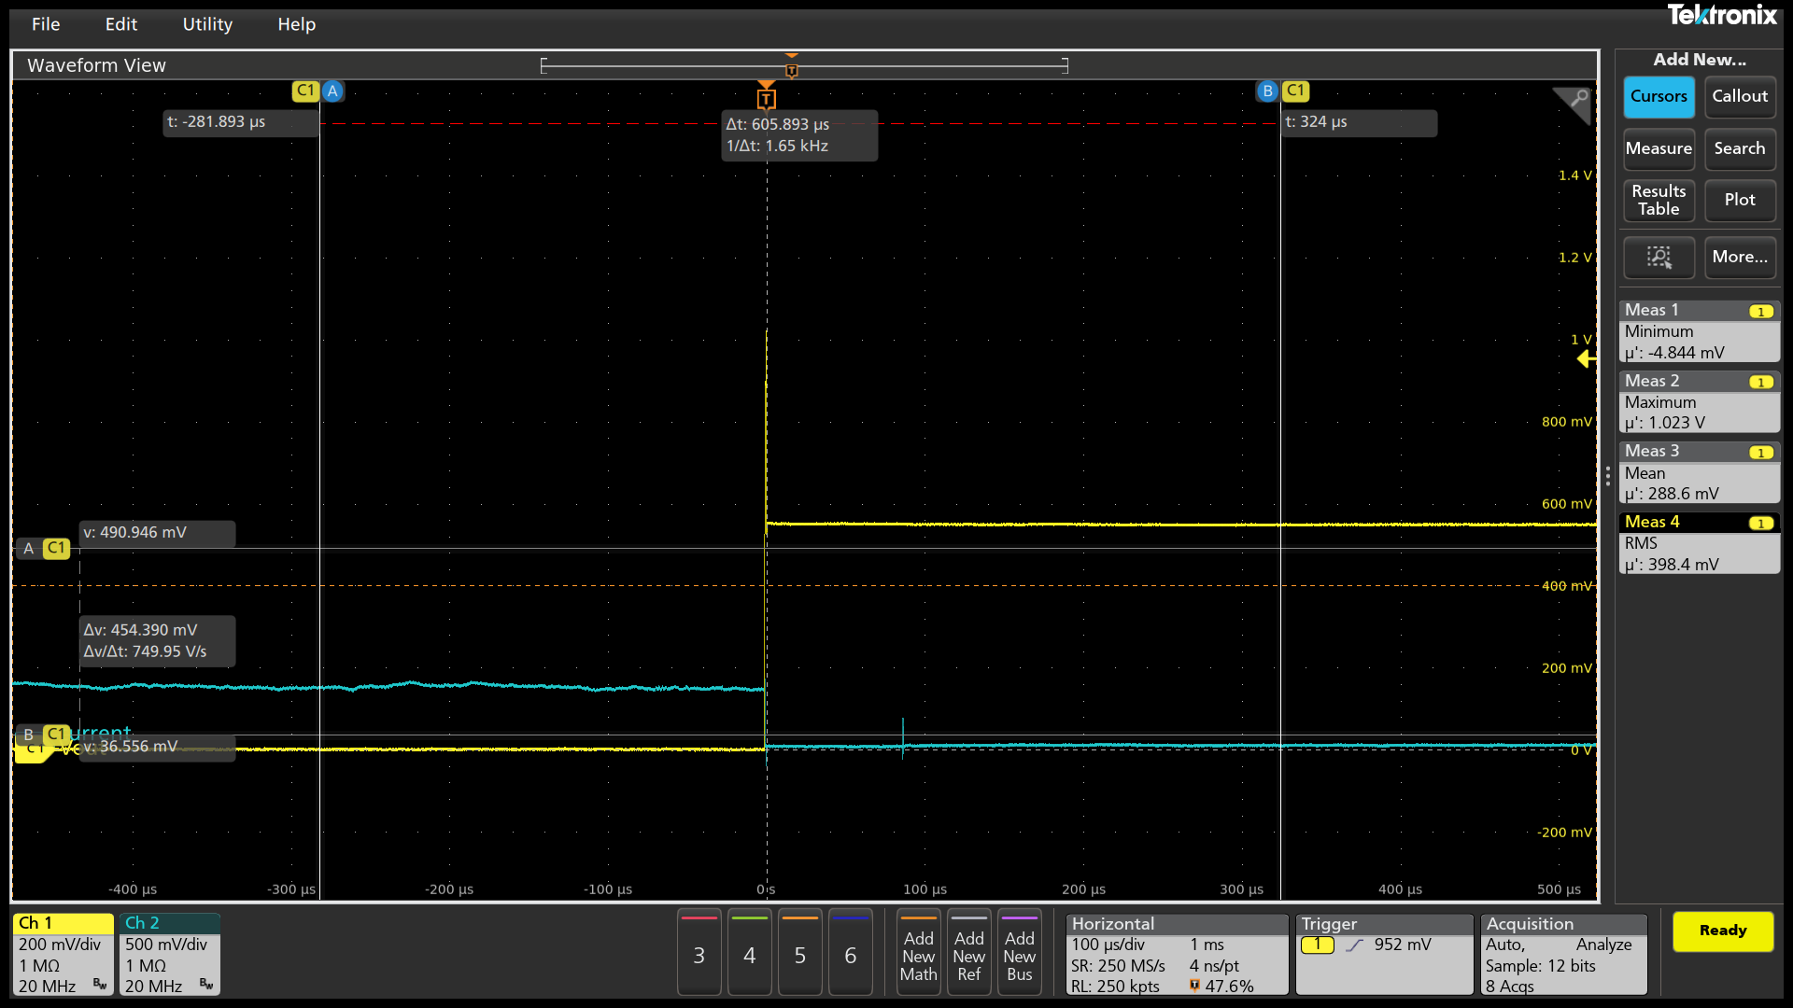

2.5mV/us
PSI7 175A
550mV->900mV

Slew Rate (mV/us)

#DIV/0!
#DIV/0!
Measure 20% VID UP (mV)

Measure 80% VID UP (mV)

Change in Time
(us)

VOTF Time (us)
FAIL

Ring Down

Vmin@VOTF (mV)

Vmax@VOTF (mV)


PASS
 | Slew Rate Caputre |  |  |  | 0 / 0 mV | VOTFC Time Caputre |  |  |  |  |  | Vmin@VOTF Capture |  |  |  |  |  | VOTF Down Slop Capture
8

2.5mV/us
PSI7 175A
900mV->1300mV

Slew Rate (mV/us)

#DIV/0!
#DIV/0!
Measure 20% VID UP (mV)

Measure 80% VID UP (mV)

Change in Time
(us)

VOTF Time (us)
FAIL

Ring Down

Vmin@VOTF (mV)

Vmax@VOTF (mV)

PASS
 | Slew Rate Caputre |  |  |  | 0 / 0 mV | VOTFC Time Caputre |  |  |  |  |  | Vmin@VOTF Capture |  |  |  |  |  | VOTF Down Slop Capture
9 | 

2.5mV/us
PSI7 175A
900mV->1500mV

Slew Rate (mV/us)

#DIV/0!
#DIV/0!
Measure 20% VID UP (mV)

Measure 80% VID UP (mV)

Change in Time
(us)

VOTF Time (us)
FAIL

Ring Down

Vmin@VOTF (mV)

Vmax@VOTF (mV)

PASS
 | Slew Rate Caputre |  |  |  | 0 / 0 mV | VOTFC Time Caputre |  |  |  |  |  | Vmin@VOTF Capture |  |  |  |  |  | VOTF Down Slop Capture |  |  | DC level check Time Scale: 1ms/div at least |  | Example of DC level check
1

2.5mV/us
PSI7 0A
900mV->1200mV

Slew Rate (mV/us)

#DIV/0!
#DIV/0!
Measure 20% VID UP (mV)

Measure 80% VID UP (mV)

Change in Time
(us)

VOTF Time (us)
FAIL

Ring Down

Vmin@VOTF (mV)

Vmax@VOTF (mV)

PASS
 | Slew Rate Caputre |  |  |  | 0 / 0 mV | VOTFC Time Caputre |  |  |  |  |  | Vmin@VOTF Capture |  |  |  |  |  | VOTF Down Slop Capture
2

2.5mV/us
PSI7 120A
900mV->1200mV

Slew Rate (mV/us)

#DIV/0!
#DIV/0!
Measure 20% VID UP (mV)

Measure 80% VID UP (mV)

Change in Time
(us)

VOTF Time (us)
FAIL

Ring Down

Vmin@VOTF (mV)

Vmax@VOTF (mV)

PASS

PCC_Timing
SP5 Dynamic Analysis - CPU/VDDIO |  | V 0.2 |  |  |  |  |  |  | Report Revision |  |  | EVT
Project | Genoa/Turin |  |  |  |  |  |  |  | Test Date |  |  | 2024-03-25 | IRM Info
Worksheet | 0 |  | Batch File | 0 |  |  |  |  |  |  |  |  | Rail VDDCR_CPU | SP5-E | TDC of CPU (A) | 175 | EDC of CPU (A) | 230 | CPU Load Step (A) | 200
CPU TYPE | SP5-E |  | MP_Margin (mV) | 0 | mV |  |  |  |  |  |  |  | Rail VDDIO | SP5-E | TDC of VDDIO (A) | 120 | EDC of VDDIO (A) | 140 | VDDIO Load Step (A) | 44/37
 |  |  |  | 0mV is base line for Voltage Supply Tolerances |  |  |  |  |  |  |  |  | Rail VDD11_S3 | SP5-E | TDC of VDD11_S3 (A) | 65 | EDC of VDD11_S3 (A) | 80 | VDD11_S3 Load Step (A) | 25/35

Test Case | VDDCR_CPU1 PCC Function Validation |  |  |  |  |  |  |  |  |  |  | Data please fill in in the cell with light bule color
 | Group | VID (V) | EDC (A) | OCP_WARN Thresh (A) |  | IDD Start current (A) | IDD Test current (A) | OCP_L Deassertion | PCC Reaction Time (uS)
1 | SP5-E | 0.9 | 230 | 207 |  | 7 | 207
 |  | Please verify this item on Stardust Dynamic Mode |  |  |  |  |  | Parameter setting in the VR configuration file or project file Please check with VR vendors regarding the setting
 |  |  |  |  |  |  |  | OCP_ Propagation_Delay (uS) | Pass/Fail | OCP_Warn_Min_Pulse (uS) | Pass/Fail
CPU Case | PCC Response Time Scale: Below 5us/div |  |  |  |  |  |  | 0 | Fail | 0 | Fail
1 |  |  |  |  |  |  |  | Note: This setting need > 0us and ≤ 1 us. |  | Note: Min Pulse need ≥ 1us.
 |  |  |  |  |  |  |  | 2nd Loop setting of CPU0 VR Controller |  | OCP_WARN Thresh (A) | Pass/Fail
SP5-E |  |  |  |  |  |  |  | VDDIO |  | 0 | Fail
VID 0.9 V
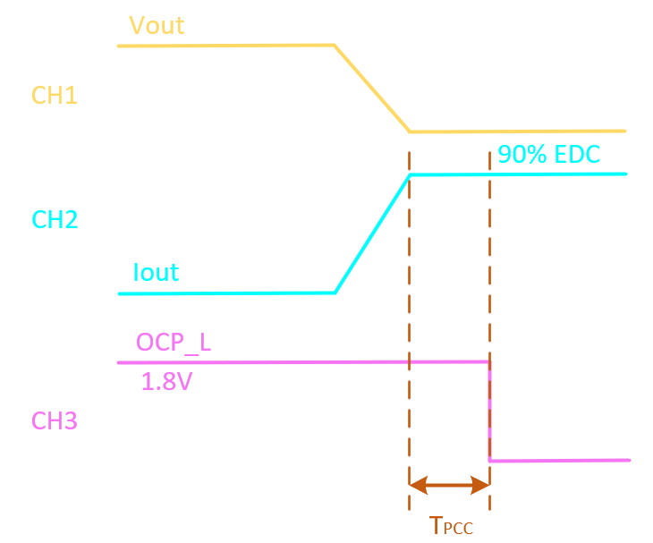
EDC 230 A
OCP_WARN Thresh 207A

IDD Start current (A)

7
IDD Test current (A)

207
CH1

VMON from ALM LP01 RAIL 1
CH2

CURR SENSE OUT from ALM LP01 RAIL1
CH3

OCP_L signal

CPU Case | PCC Response Time Scale: 25us/div at least
1
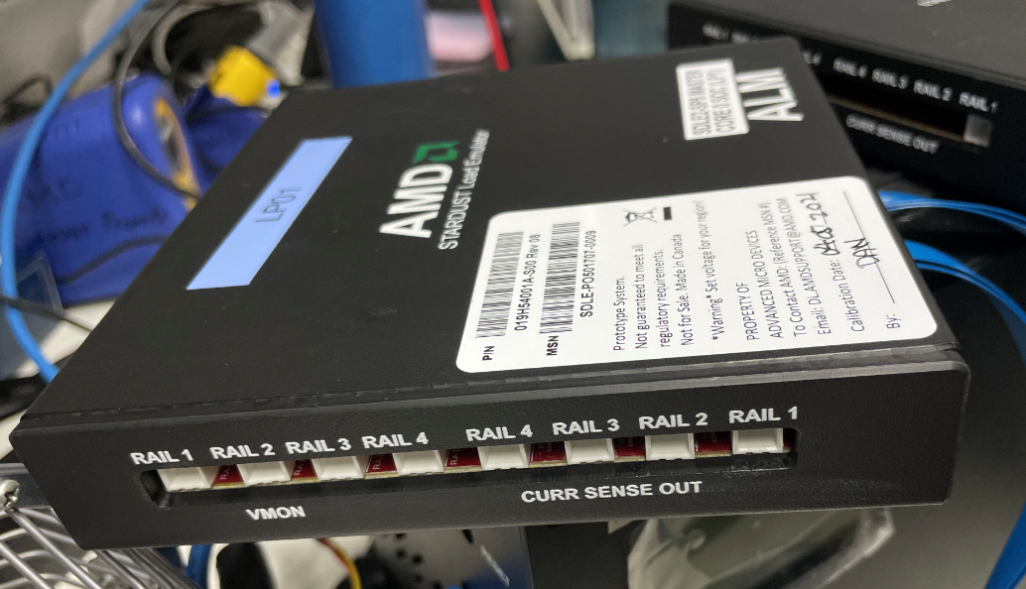
SP5-E
VID 0.9 V
EDC 230 A
OCP_WARN Thresh B42207A

IDD Start current (A)

7
IDD Test current (A)

207
CH1

VMON from ALM LP01 RAIL 1
CH2

CURR SENSE OUT from ALM LP01 RAIL1
CH3

OCP_L signal

